BVT
S no | Feature | BVT | Steps | Output | Chrome | Edge
1 | Basic Linear Gauge chart | Display basic linear gauge | 1. Drag 'Revenue' from Sales table to 'Actual value' 2. Drag 'Target' from task table to 'Target value' | Linear Gauge should be displayed | 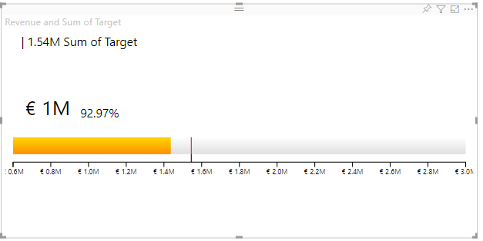
2 | Minimum Value | Display starting value in chart | Drag 'Min Revenue' from store table to 'Minimum value' | Starting value will be displayed | 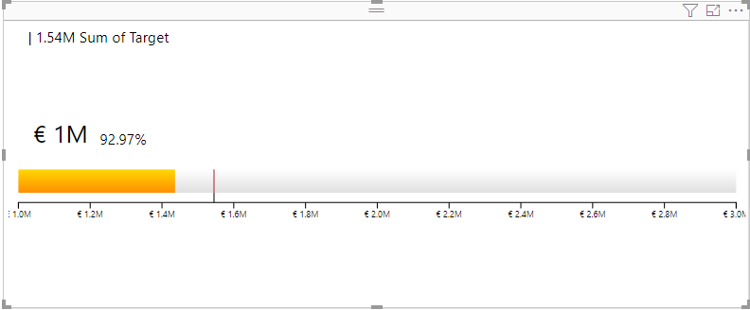
3 | Maximum Value | Display target and value w.r.t. maximum value in chart | Drag 'Max Revenue' from store table to 'Maximum value' | Position of target marker and value in gauge gets adjusted based on this value | 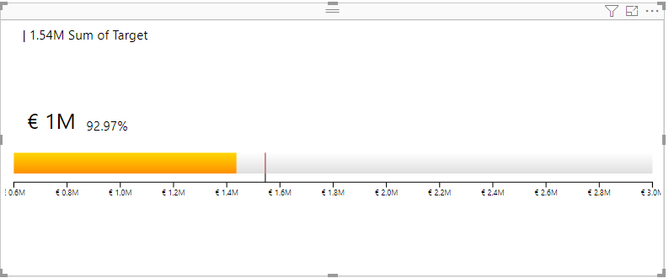
4 | Trend value 1 | Display trending value in chart | Drag 'Monthly change' from store table to 'Trend value 1' | Trending value will be displayed in top right of linear gauge bar | 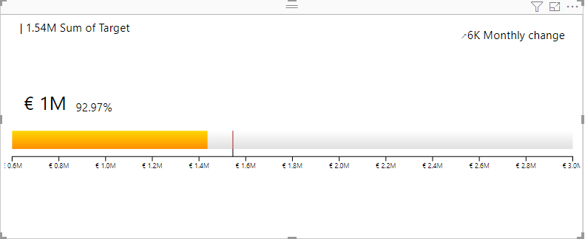
5 | Trend value 2 | Display trending value in chart | Drag 'Yearly change' from store table to 'Trend value 2' | Trending value will be displayed in top right of linear gauge bar | 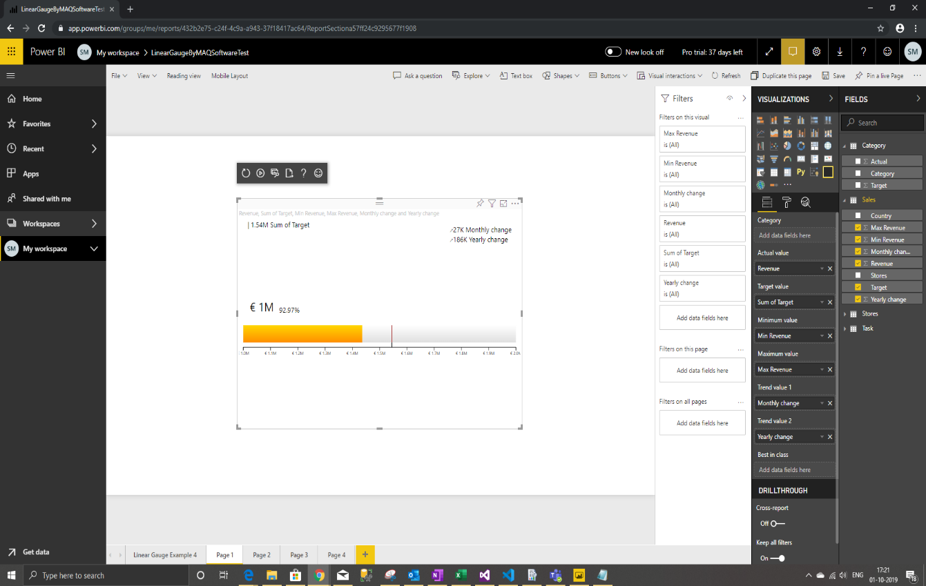 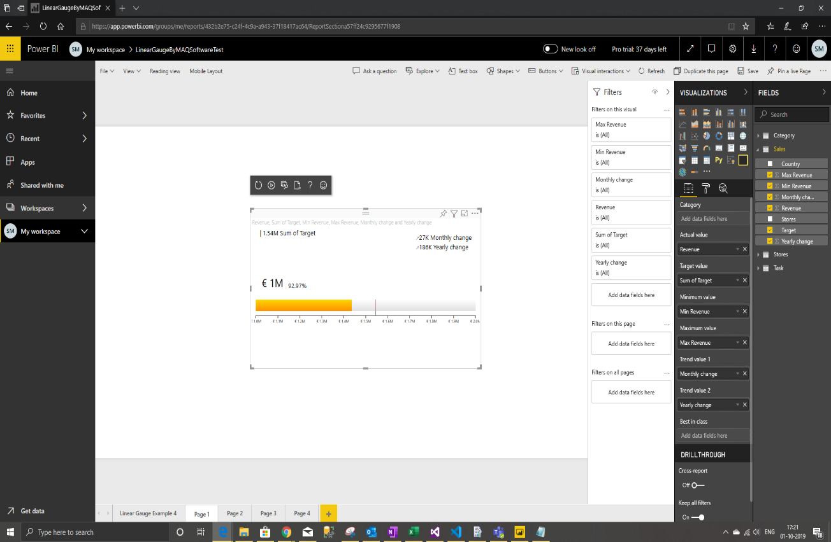
6 | Color Setting | Updating Main color, Comparison color | 1. Go to formatting pane 2. Go to 'General' option 3. Update 'Lesser than' & 'Greater then' color to 'green' & 'yellow' 4. Update 'Comparison color' to 'purple' | 1. Colors in bar will be set to 'Green' & 'Yellow' according to value 2. Comparison color in bar will be set to 'purple' | 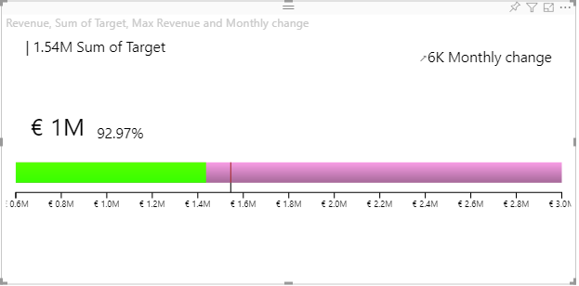
7 | Actual value label | Update color, display unit and decimal places for actual value label | 1. Go to formatting pane 2. Go to 'Actual value label' option 3. Update color to 'blue' 4. Update display unit to 'Thousand' 5. Update decimal value to '1' | 1. Actual value label font color will be set to 'Blue' 2. Text will be formatted like '50K' 3. Text will be formatted like '50.0K' | 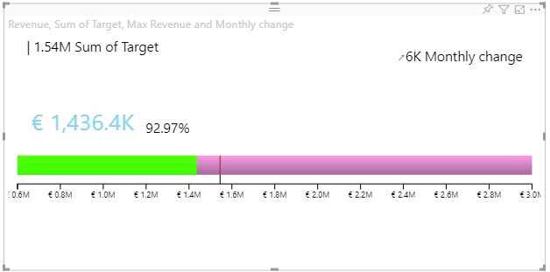
 |  | Update font family of Actual value label | 1. Go to formatting pane 2. Go to 'Actual value label' option 3. Update the font family to 'Calibri' | Actual value labels should be displayed in 'calibri' font | 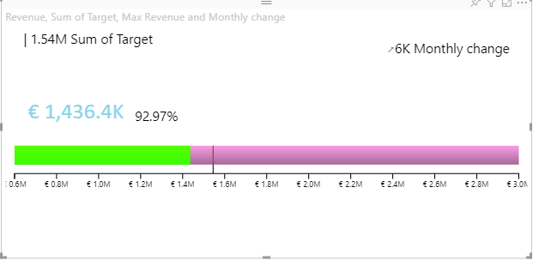
8 | Trend label | Update color, display unit and decimal places for trend label | 1. Go to formatting pane 2. Go to 'Trend label' option 3. Update color to 'grey' 4. Update display unit to 'Thousand' 5. Update decimal value to '3' | 1. Trend label font color will be set to 'grey' 2. Text will be formatted like '50K' 3. Text will be formatted like '50.000K' | 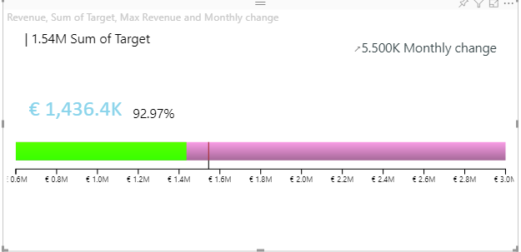
 |  | Update font family of Trend label | 1. Go to formatting pane 2. Go to 'Trend label' option 3. Update the font family to 'Arial' | Trend labels should be displayed in 'Arial' font family | 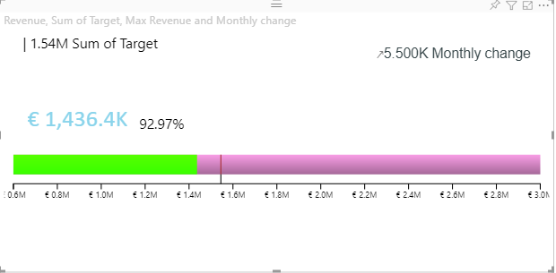
9 | Orientation | Verify whether orientation is updated or not | 1. Go to formatting pane 2. Go to 'Orientation' option 3. Update the orientation from Horizontal to Vertical | The visual should be displayed in Vertical orientation | 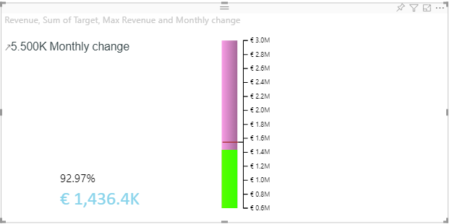
10 | Target Range | Verify whether Target range markers are displayed or not | 1. Go to formatting pane 2. Go to 'Target range' option 3. Turn on the 'Target range' button 4. Provide minimum value and maximum value between minimum value and maximum value | Target range markers should be displayed on the visual at given minimum and maximum values | 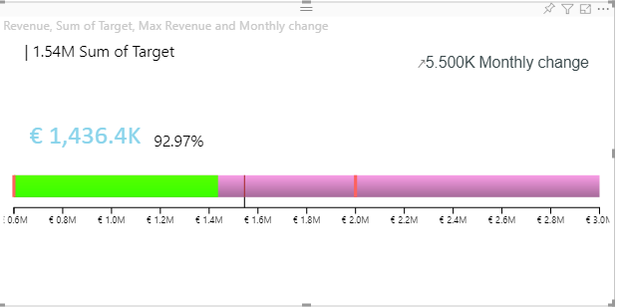
 |  | Verify whether Target range marker colors are updated or not | 1. Go to formatting pane 2. Go to 'Target range' option 3. Turn on the 'Target range' button 4. Update the 'Range tick color' to 'Green' | Target range minimum and maximum markers should be displayed in 'Green' color | 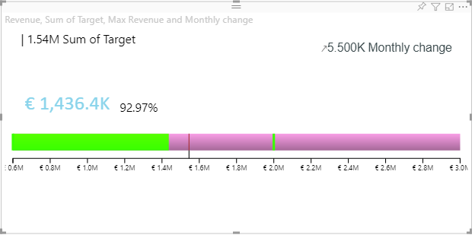
11 | Scale | Verify whether Scale is displayed or not | 1. Go to formatting pane 2. Go to 'Scale' option 3. Turn on the 'Scale' button 4. Update the 'Tick color' to 'Red' | 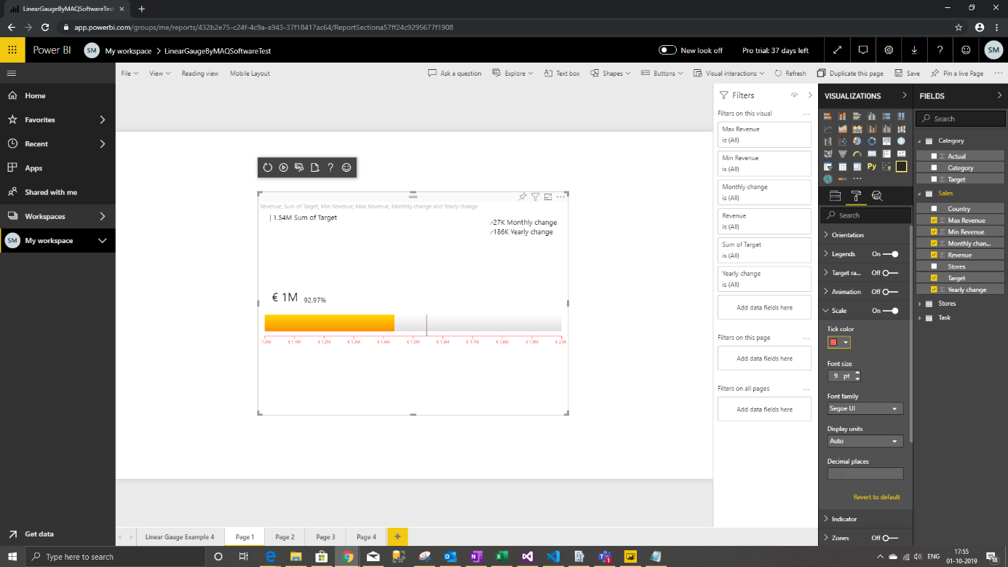 Scale should be displayed in 'Red' color |  | 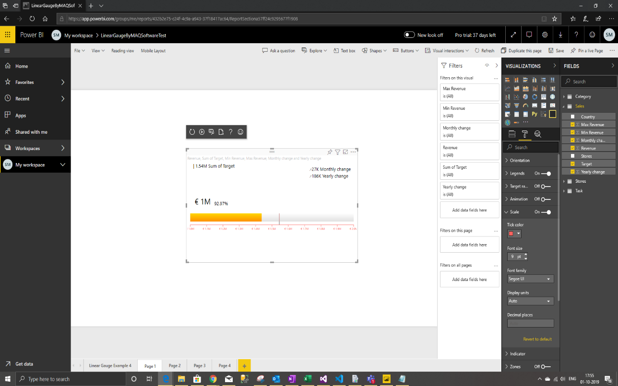
12 | Indicator settings | Verify whether Indicator settings are working | 1. Go to formatting pane 2. Go to 'Indicator settings' option 3. Turn on the 'Indicator settings' button | Trend arrows should be displayed in 'Red' color for positive values and 'Green' color for negative values |  | 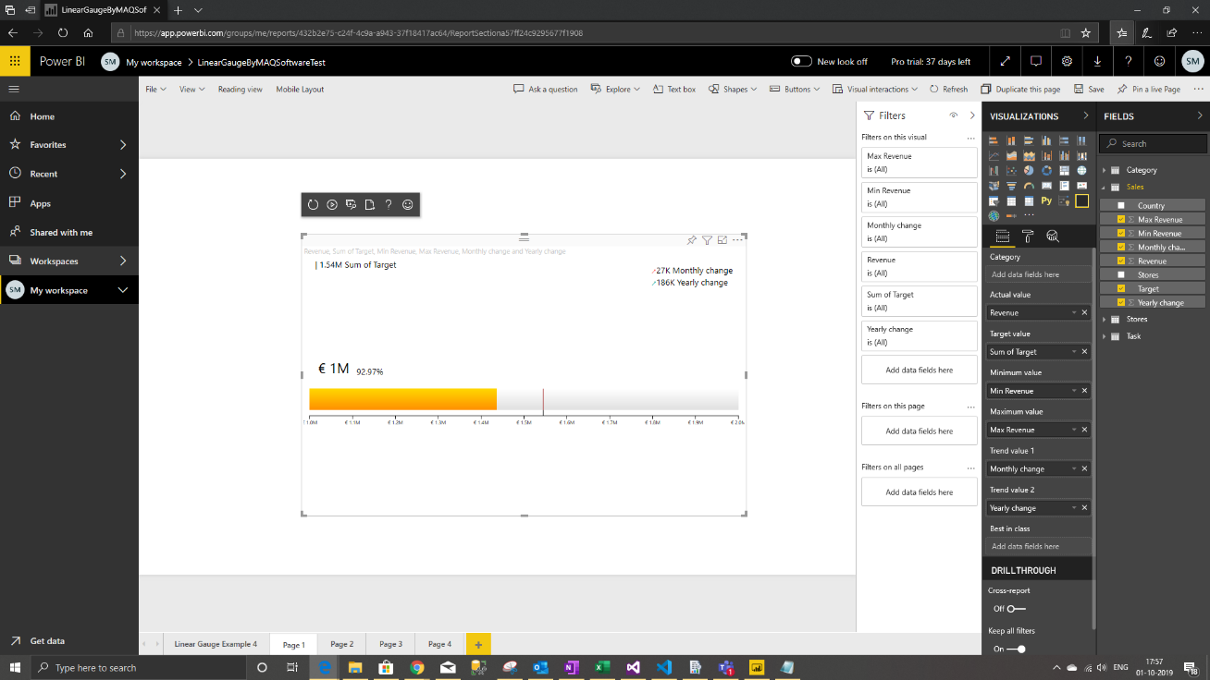
13 | Zone settings | Verify whether Zone settings are working | 1. Go to formatting pane 2. Go to 'Zone settings' option 3. Turn on the 'Zone settings' button | Actual value bar will be displayed half of its height in horizontal position and half of its width in vertical position | 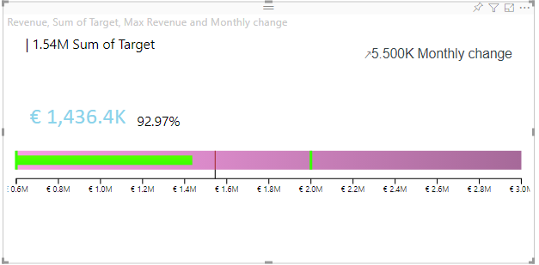
 |  | Provide zone values and verify whether zones are created as per provided values | 1. Go to formatting pane 2. Go to 'Zone settings' option 3. Turn on the 'Zone settings' button 4. Select 'Value' from drop down menu. 5. Provide 350000 in Zone 1 value, 400000 in Zone 2 value, 425000 in Zone 3 value, 450000 in zone 4 value | The background bar color changes to zone 1 color till zone 1 value on the scale and similarly for other zones | 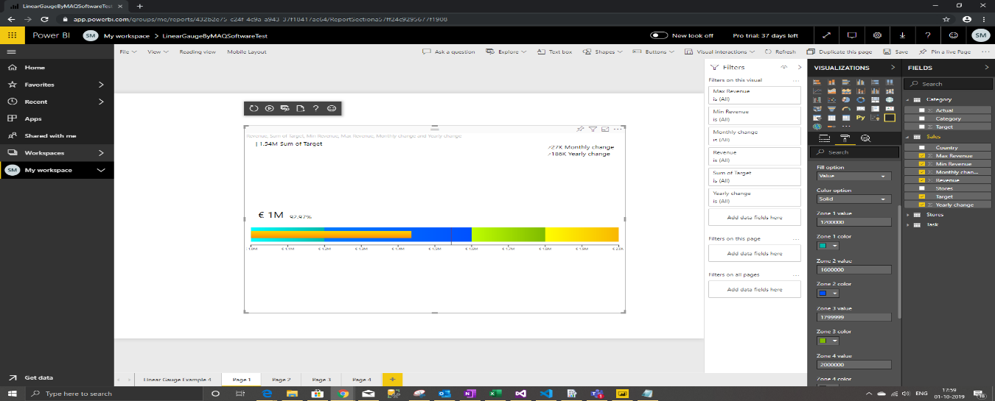 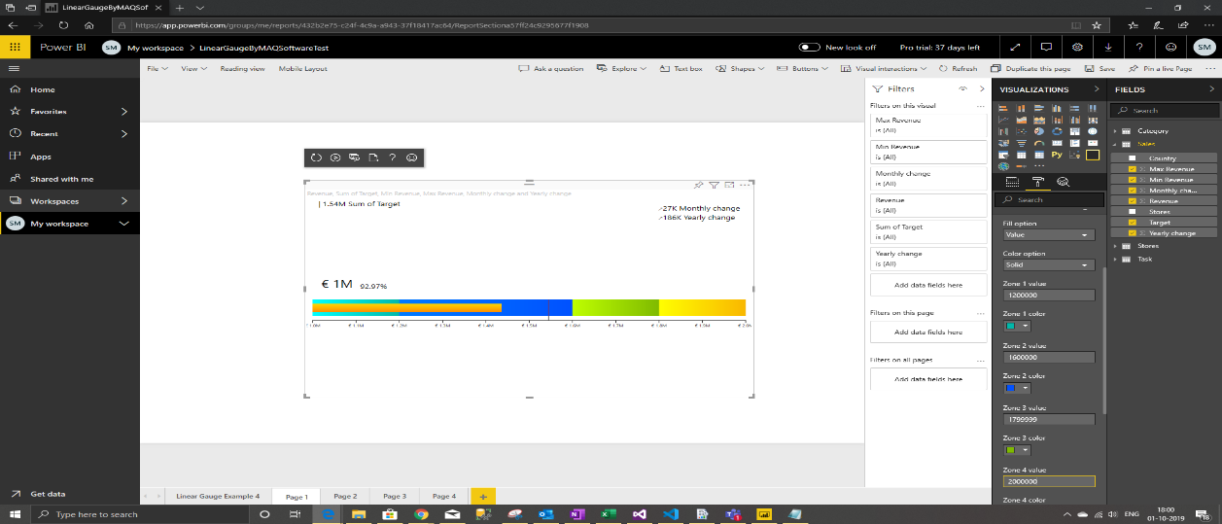 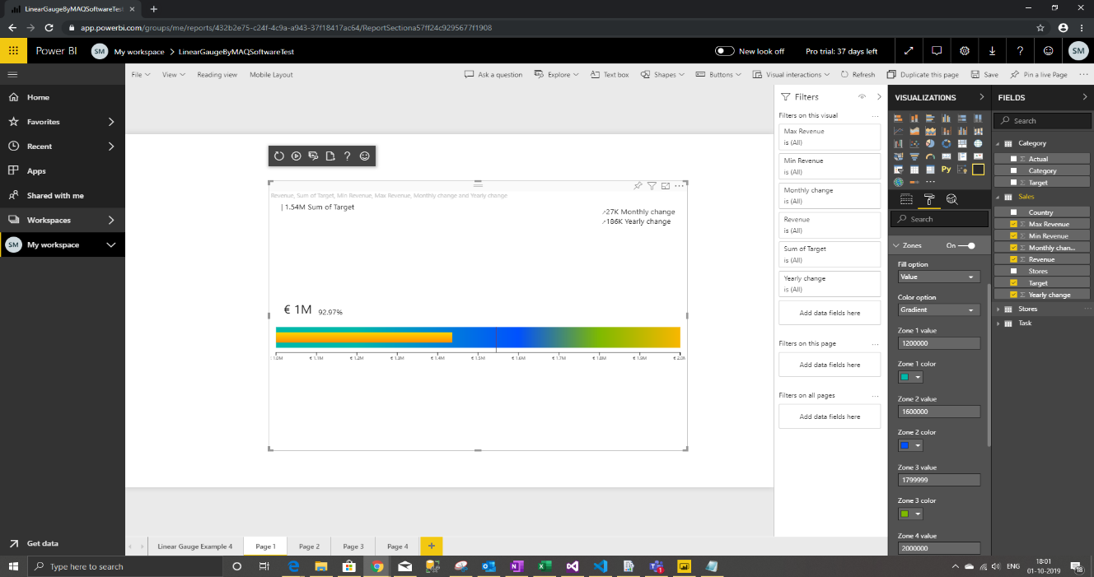 | 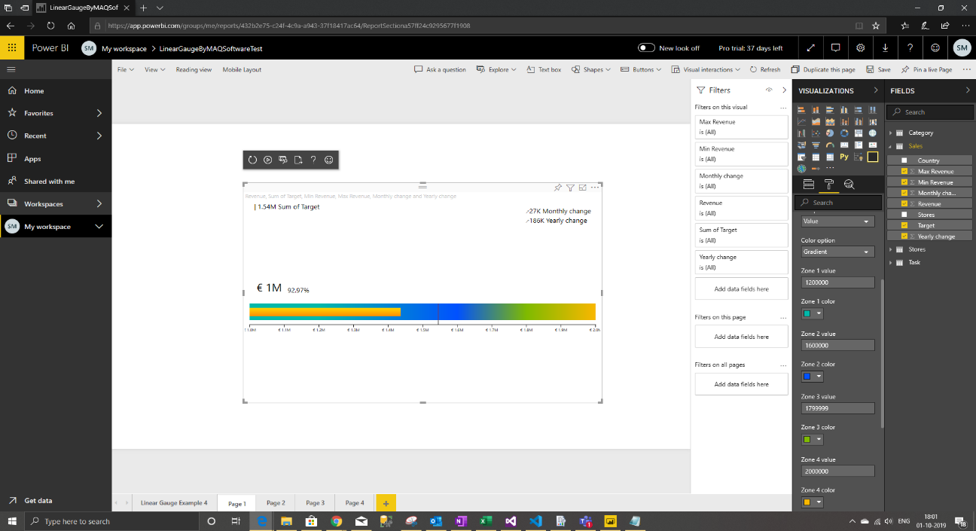
 |  | Provide zone percentage and verify whether gradient background color is created as per provided percentage value | 1. Go to formatting pane 2. Go to 'Zone settings' option 3. Turn on the 'Zone settings' button 4. Select 'Percentage' from drop down menu. 5. Provide 30 in Zone 1 value, 40 in Zone 2 value, 30 in Zone 3 value | The background bar color changes to gradient color based on values and colors provided in zone values and zone colors
14 | Percentage label | Verify whether 'Percentage label' settings are working as expected | 1. Go to formatting pane 2. Go to 'Percentage label' option 3. Update the color to 'Green' 4. Update the font family to 'Calibri' | Percentage label should be displayed in Green color and 'Calibri' font family |  | 
15 | Category | Display linear gauge based on categorical column values and legends are created for categorical values | 1. Drag 'Country' from Sales table to 'Category' | Linear Gauge should be divided into different parts based on categorical values
16 | Category Legend Settings | Update legend color, font size and legend Position | 1. Go to formatting pane 2. Go to 'Category legend' option 3. Update font size to 15 px 4. Turn on 'Title' option 5. Update text color to 'blue' 6. Update legend position to 'Bottom center' | Legend font size will be set to 15 px Legend Title will be displayed before the legend item Legend text color set to blue. Legend will be displayed at the bottom center position of viewport
17 | Hierarchy | Display drill down option on the top of viewport | 1. Drag 'Store' from Sales table to 'Category' 2. Turn on 'drill down mode' from drill down and click on any legend item | 1. Drill down feature should be added at the top. 2. Linear Gauge should display values and gauge for next level of that legend item.
18 | Animation | Linear Gauge should draw on load | 1. Go to formatting pane 2. Go to 'Animation' option 3. Turn on the 'Animation option 4. Provide 4 in Animation time | Linear Gauge should draw in 4 second on page load
19 | Target Legend Settings | Update target legend color, font size and position | 1. Go to formatting pane 2. Go to 'Legends' option 3. Update font size to 20 px 4. Change the font family to 'Arial' 5. Update text color to 'blue' 6. Change to old position by turning off 'New target label position' toggle | Legend font size will be set to 20 px Font will change in visual to 'Arial' Legend text color set to blue. Legend will be displayed at top if horizontal & at middle left if vertical orientation
20 | Target Range Settiings | Update target range color, width and type | 1. Go to formatting pane 2. Turn On 'Target range' toggle 3. Update Min value to 1200000 & Max value to 1900000 4. Change the tick color to 'black' 5. Set range tick width to 5 6. Change type to dashed | Two ticks at either ends will be visible Ticks will move to respective positions in gauge Ticks color will change to black Ticks width will change to 5 Ticks will look dashed
20 | Bookmarks | Check whether bookmark feature works | 1. Go to View -> tick the Bookmarks Pane 2. In the Visual, perform some selection & filtering too if needed 3. In the Bookmarks Pane, add a new entry and save this selection state using 'update' 4. Change selections and filtering, and then click on the saved bookmarks | 1. Bookmarks Pane will be visible on the right side 2. In the Bookmarks Pane, a new entry is added with saved selection state 3. On clicking the bookmark, the selection state with filtering is restored and visual is rendered accordingly
21 | Formatting | Check formatting on Tooltip | 1. Go to Modeling tab 2. Change the format of Revenue 3. Set the format of Revenue to Euro 4. Change the decimal units of Revenue 5. Set the decimal units to 1 | Check the formatting on tooltip Revenue will be formatted to format Euro in tooltip If decimal places is greater than 2 then upto 2 decimal places will be shown on tooltip | 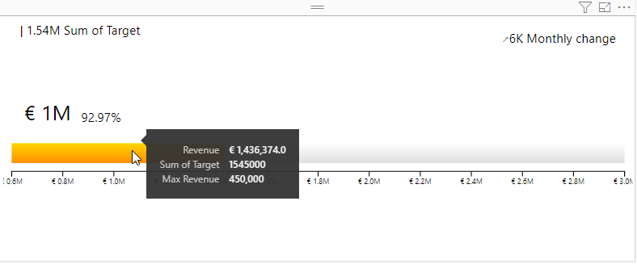
22 | General Bag | Check whether the indicator color changes accordingly | 1. Go to formatting pane 2. Go to 'General' option 3. Assign colors according to target range | The color should be displayed based on the selection. | 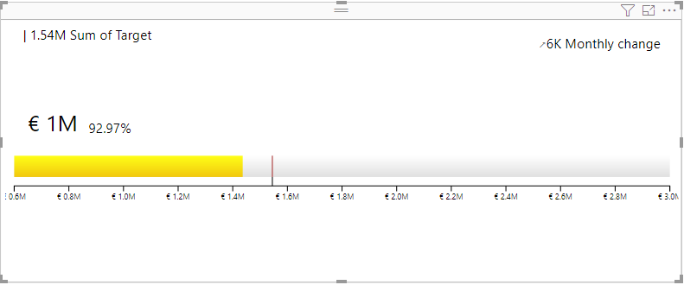
23 | Linear Gauge Chart | Displaying of the visual | 1) Drag null values column in to measure field 2) Drag any column into category field | The visual should be displayed with the categories present | 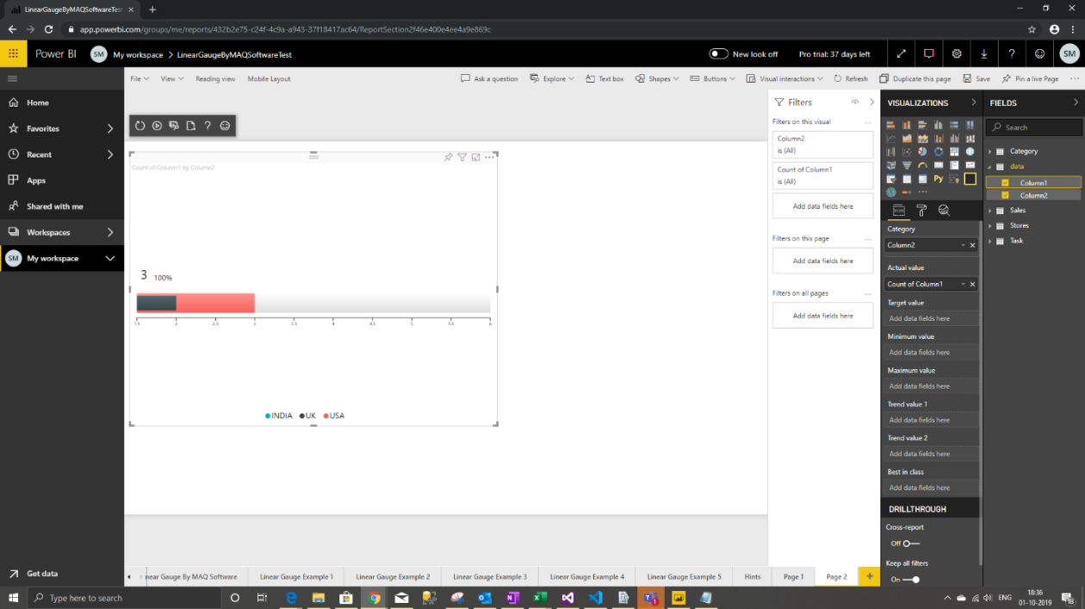 | 